Carrier1-500-CO2
Date | Time | Seconds | GMU | GMU | Froude | EnFlo_Tunnel | GMU | Calculated | Gas Factor | Calculated |  | voltage span fraction | Air:CO2 factor
of | Measurement | since | Carrier 1 | Carrier 1 | NPL | Therm | Source | Carrier |  | Carrier |  | (%) | from cubic fit to Hi-Tec calcs |  | cubit | linear |  | % err. | % err.
Measurement | Commenced | 1st Jan | Meas Q | Meas Volt | Atmos_Press | Master_Reference | Pressure | Flowrate Using FFID |  | Flowrate Using FFID |  |  |  |  | fit | fit |  | cubic | linear
 |  |  |  |  |  |  |  | Air
16-Mar-15 | 14:26:00 | 3509360797 | 49.6541 | 0.27842 | 1014.945 | 18.9162 | 470.81 | 50.619 | 0.73564450504 | 37.237589201 | 0.74993986802 | 5.5684 | 1.3593522321 |  | 37.411260249 | 39.673634944 |  | 0.46638639155 | 6.5418997193
16-Mar-15 | 14:28:00 | 3509360893 | 99.4031 | 0.5497 | 1014.945 | 18.9187 | 1451.547 | 101.1001 | 0.73518888868 | 74.327670164 | 0.74773996147 | 10.994 | 1.3601946594 |  | 74.024140431 | 74.057022913 |  | -0.40836707566 | -0.36412718345
16-Mar-15 | 14:29:00 | 3509360984 | 199.6915 | 1.1117 | 1014.945 | 18.9212 | 653.6 | 200.5779 | 0.73442014828 | 147.30845106 | 0.73768012689 | 22.234 | 1.3616184174 |  | 147.40726826 | 145.28772196 |  | 0.067081829296 | -1.371767256
16-Mar-15 | 14:31:00 | 3509361070 | 299.7041 | 1.6887 | 1014.945 | 18.9515 | 1199.538 | 299.8417 | 0.73397059483 | 220.0749909 | 0.73430757505 | 33.774 | 1.3624524021 |  | 220.24000753 | 218.41959625 |  | 0.07498199713 | -0.75219571462
16-Mar-15 | 14:33:00 | 3509361193 | 399.817 | 2.2766 | 1014.945 | 18.9771 | 1272.159 | 399.52 | 0.73398666645 | 293.24235298 | 0.7334414319 | 45.532 | 1.3624225694 |  | 293.04902863 | 292.93299122 |  | -0.065926475919 | -0.10549695712
16-Mar-15 | 14:34:00 | 3509361261 | 499.696 | 2.8662 | 1014.945 | 18.9586 | 1748.383 | 498.009 | 0.73460874342 | 365.8417657 | 0.73212866563 | 57.324 | 1.3612688509 |  | 365.90110096 | 367.66185271 |  | 0.016218831077 | 0.49750662334

 |  |  |  |  |  |  |  |  |  |  |  |  | cubic | linear |  | Hi-Tec calculator output for F-201AC |  |  | cubic | linear
 |  |  |  |  |  |  |  |  |  |  |  |  |  |  |  | x | y
 |  |  |  |  |  |  |  |  |  |  |  | Hi-tec | Carrier 1 |  |  | 10 | 1.36 |  | 1.358415 | 1.3657317073 | A
 |  |  |  |  |  |  |  |  |  |  |  | Calibration | High |  |  | 25 | 1.362 |  | 0.0001734608 | -0.00016791744841 | Bx
 |  |  |  |  |  |  |  |  |  |  |  | names | CO2 |  |  | 50 | 1.362 |  | -7.918748E-07 |  | Cx^2
 |  |  |  |  |  |  |  |  |  |  |  | A | -1.146073 | 4.3852875609 |  | 75 | 1.357 |  | -2.382283E-08 |  | Dx^3
 |  |  |  |  |  |  |  |  |  |  |  | Bx | 140.427718 | 126.7450161 |  | 100 | 1.344
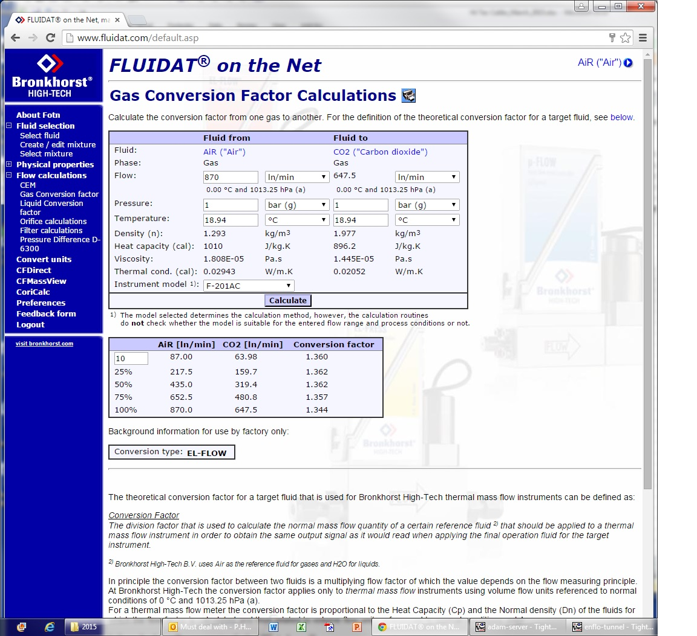
 |  |  |  |  |  |  |  |  |  |  |  | Cx^2 | -7.259295
 |  |  |  |  |  |  |  |  |  |  |  | Dx^3 | 1.027307
 |  |  |  |  |  |  |  |  |  |  |  | Calib Temp Deg C | 18.94055
 |  |  |  |  |  |  |  |  |  |  |  | Calib Press Mbars | 1014.945
 |  |  |  |  |  |  |  |  |  |  |  | Date | 16-Mar-15

Carrier1-500-Air
Date | Time | Seconds | GMU | GMU | Froude | EnFlo_Tunnel | GMU |  |  | Calculated
of | Measurement | since | Carrier 1 | Carrier 1 | NPL | Therm | Source |  |  | Carrier |  |  |  |  |  | cubit | linear |  | % err. | % err.
Measurement | Commenced | 1st Jan | Meas Q | Meas Volt | Atmos_Press | Master_Reference | Pressure |  |  | Flowrate Using FFID |  |  |  |  |  | fit | fit |  | cubic | linear

16-Mar-15 | 14:26:00 | 3509360797 | 49.6541 | 0.27842 | 1014.945 | 18.9162 | 470.81 |  |  | 50.619 | 1.0194324336 |  |  |  |  | 50.859756835 | 53.97842336 |  | 0.47562542716 | 6.6366845651
16-Mar-15 | 14:28:00 | 3509360893 | 99.4031 | 0.5497 | 1014.945 | 18.9187 | 1451.547 |  |  | 101.1001 | 1.0170719022 |  |  |  |  | 100.67980813 | 100.80895704 |  | -0.41571854647 | -0.28797495227
16-Mar-15 | 14:29:00 | 3509360984 | 199.6915 | 1.1117 | 1014.945 | 18.9212 | 653.6 |  |  | 200.5779 | 1.0044388469 |  |  |  |  | 200.71301959 | 197.82591341 |  | 0.067365141134 | -1.3720288174
16-Mar-15 | 14:31:00 | 3509361070 | 299.7041 | 1.6887 | 1014.945 | 18.9515 | 1199.538 |  |  | 299.8417 | 1.0004591195 |  |  |  |  | 300.07318696 | 297.43229033 |  | 0.077203057076 | -0.80356056886
16-Mar-15 | 14:33:00 | 3509361193 | 399.817 | 2.2766 | 1014.945 | 18.9771 | 1272.159 |  |  | 399.52 | 0.99925716015 |  |  |  |  | 399.25023098 | 398.92031284 |  | -0.067523282738 | -0.15010191126
16-Mar-15 | 14:34:00 | 3509361261 | 499.696 | 2.8662 | 1014.945 | 18.9586 | 1748.383 |  |  | 498.009 | 0.99662394736 |  |  |  |  | 498.09171364 | 500.70180302 |  | 0.016608864236 | 0.54071372608

 |  |  |  |  |  |  |  |  |  |  |  |  | cubic | linear

 |  |  |  |  |  |  |  |  |  |  |  | Hi-tec | Carrier 1
 |  |  |  |  |  |  |  |  |  |  |  | Calibration | High
 |  |  |  |  |  |  |  |  |  |  |  | names | Air
 |  |  |  |  |  |  |  |  |  |  |  | A | -1.514614 | 5.9153255059
 |  |  |  |  |  |  |  |  |  |  |  | Bx | 190.558392 | 172.62803626
 |  |  |  |  |  |  |  |  |  |  |  | Cx^2 | -9.118866
 |  |  |  |  |  |  |  |  |  |  |  | Dx^3 | 1.203607
 |  |  |  |  |  |  |  |  |  |  |  | Calib Temp Deg C | 18.94055
 |  |  |  |  |  |  |  |  |  |  |  | Calib Press Mbars | 1014.945
 |  |  |  |  |  |  |  |  |  |  |  | Date | 16-Mar-15

Date | Time | Seconds | GMU | GMU | Froude | EnFlo_Tunnel | GMU | Qtrace | FF (C) | FF (C) | GMU | GMU | Calculated | GMU | GMU | FF (C) | Cppm | Hi-Tec/FID | Q | c'/C | FF (C) | C | Multi Run | File | GMU | GMU | FF (C) | No Of | Flow | Inst | GMU | Clean_Air | Calculated
of | Measurement | since | Trace | Trace | NPL | Therm | Source | From | Mean | Variance | Trace | Carrier 1 | Carrier | Source | Source | Calibration | Hi-Tec | % | Source |  | Standard Error | % | Start Time |  | Carrier 1 | Carrier 2 | Calibration | Measurement | Measurement |  | Source | Hi-Tec | Carrier
Measurement | Commenced | 1st Jan | Meas Q | Meas Volt | Atmos_Press | Master_Reference | Pressure | FID | C | c^2 | Dem Volt | Meas Q | Flowrate | Dem Strength | Meas Strength | Drift |  |  | l/min |  | in Mean | Error |  |  | Meas Volt | Meas Volt | Filename | Blocks | Time |  | Meas Q | Meas Volt | Flowrate

16-Mar-15 | 14:26:00 | 3509360797 | 0.024992 | 2.2565 | 1014.945 | 18.9162 | 470.81 | 0.024516 | 493.728 | 36.9886 | 2.2573 | 49.6541 | 50.619 | 0.05 | 0.05031 | 0.12 | 503.1 | 1.8982 | 49.6791 | 0.012318 | 1.5112 | 0.30608 | 14:18 on 16-03-2015 | Carrier_500_FID_Calib_1.xls | 0.27842 | 0.011009 | FF_Ch0_16-03-2015_4.xls | 1 | 0.5 |  | 49.6791 | 1.9966 | 50.619
16-Mar-15 | 14:28:00 | 3509360893 | 0.05003 | 4.506 | 1014.945 | 18.9187 | 1451.547 | 0.04919 | 494.856 | 33.8346 | 4.5034 | 99.4031 | 101.1001 | 0.05 | 0.05031 | 0.12 | 503.1 | 1.6659 | 99.4531 | 0.011754 | 1.6775 | 0.339 | 14:18 on 16-03-2015 | Carrier_500_FID_Calib_1.xls | 0.5497 | 0.007 | FF_Ch0_16-03-2015_4.xls | 1 | 0.5 |  | 99.4531 | 1.9978 | 101.1001
16-Mar-15 | 14:29:00 | 3509360984 | 0.05003 | 4.5061 | 1014.945 | 18.9212 | 653.6 | 0.04981 | 249.4293 | 16.3581 | 4.5034 | 199.6915 | 200.5779 | 0.025 | 0.025048 | 0.12 | 250.48 | 0.4212 | 199.7415 | 0.016215 | 0.837 | 0.3356 | 14:18 on 16-03-2015 | Carrier_500_FID_Calib_1.xls | 1.1117 | 0.005474 | FF_Ch0_16-03-2015_4.xls | 1 | 0.5 |  | 199.7415 | 1.9982 | 200.5779
16-Mar-15 | 14:31:00 | 3509361070 | 0.04502 | 4.071 | 1014.945 | 18.9515 | 1199.538 | 0.045 | 150.1459 | 2.5672 | 4.0697 | 299.7041 | 299.8417 | 0.015 | 0.015018 | 0.12 | 150.18 | 0.022711 | 299.7491 | 0.010671 | 0.3389 | 0.22571 | 14:18 on 16-03-2015 | Carrier_500_FID_Calib_1.xls | 1.6887 | 0.004721 | FF_Ch0_16-03-2015_4.xls | 1 | 0.5 |  | 299.7491 | 1.998 | 299.8417
16-Mar-15 | 14:33:00 | 3509361193 | 0.05202 | 4.675 | 1014.945 | 18.9771 | 1272.159 | 0.05206 | 130.2062 | 3.7283 | 4.6736 | 399.817 | 399.52 | 0.013 | 0.013009 | 0.12 | 130.09 | -0.08924 | 399.869 | 0.014829 | 0.3714 | 0.28524 | 14:18 on 16-03-2015 | Carrier_500_FID_Calib_1.xls | 2.2766 | 0.004 | FF_Ch0_16-03-2015_4.xls | 1 | 0.5 |  | 399.869 | 1.9978 | 399.52
16-Mar-15 | 14:34:00 | 3509361261 | 0.05004 | 4.5061 | 1014.945 | 18.9586 | 1748.383 | 0.05021 | 100.4801 | 2.3572 | 4.5032 | 499.696 | 498.009 | 0.01 | 0.010012 | 0.12 | 100.12 | -0.3584 | 499.746 | 0.01528 | 0.3256 | 0.324 | 14:18 on 16-03-2015 | Carrier_500_FID_Calib_1.xls | 2.8662 | 0.00384 | FF_Ch0_16-03-2015_4.xls | 1 | 0.5 |  | 499.746 | 1.9976 | 498.009

Trace 300
Date | Time | Seconds | GMU | GMU | Froude | EnFlo_Tunnel | GMU | Image |  |  |  |  | Start | End
of | Measurement | since | Trace | Trace | NPL | Therm | Source | Interval | Used | Flowrate |  |  | Gas | Gas | cubit | linear | % err. | % err.
Measurement | Commenced | 1st Jan | Meas Q | Meas Volt | Atmos_Press | Master_Reference | Pressure | Seconds |  |  |  |  | Reading | Reading | fit | fit | cubic | linear

26-Jan-15 | 12:43:00 | 3505120982 | 0.25003 | 4.1576 | 1015.839 | 17.835 | 344.341 |  |  | 0.2516 | 1.0062792465 | bubble flow 1-250cc |  |  | 0.25155037587 | 0.2512470342 | -0.019723423183 | -0.14028847259
26-Jan-15 | 12:45:00 | 3505121147 | 0.19988 | 3.3132 | 1015.839 | 17.7434 | 344.243 |  |  | 0.1996 | 0.9985991595 | bubble flow 1-250cc |  |  | 0.19975736613 | 0.20060174648 | 0.078840745061 | 0.50187699361
26-Jan-15 | 12:48:00 | 3505121309 | 0.1501 | 2.4515 | 1015.839 | 17.8484 | 344.175 |  |  | 0.149 | 0.9926715523 | bubble flow 1-250cc |  |  | 0.14882398817 | 0.14891884213 | -0.11812874472 | -0.054468368343
26-Jan-15 | 12:50:00 | 3505121430 | 0.09995 | 1.5898 | 1015.996 | 17.732 | 344.139 |  |  | 0.09817 | 0.98219109555 | bubble flow 1-250cc |  |  | 0.098187308366 | 0.097235937783 | 0.017631013315 | -0.95147419467
26-Jan-15 | 12:52:00 | 3505121545 | 0.05008 | 0.7591 | 1016.137 | 17.8065 | 344.218 |  |  | 0.048 | 0.95846645367 | bubble flow 1-250cc |  |  | 0.048105569553 | 0.047412346461 | 0.21993656841 | -1.2242782055
26-Jan-15 | 12:54:00 | 3505121690 | 0.024987 | 0.3566 | 1016.137 | 17.8 | 344.238 |  |  | 0.02295 | 0.91847760836 | bubble flow 1-250cc |  |  | 0.022944004779 | 0.023271266039 | -0.026122966062 | 1.3998520209
26-Jan-15 | 12:57:00 | 3505121867 | 0.018716 | 0.25909 | 1016.137 | 17.8756 | 344.186 |  |  | 0.01679 | 0.89709339602 | bubble flow 1-250cc |  |  | 0.016732426568 | 0.017422826903 | -0.34290310649 | 3.7690703002

 |  |  |  |  |  |  |  |  |  |  |  |  | cubic | linear

 |  |  |  |  |  |  |  |  |  |  |  | Hi-tec | Trace
 |  |  |  |  |  |  |  |  |  |  |  | Calibration | 300 ml/min
 |  |  |  |  |  |  |  |  |  |  |  | names | Propane
 |  |  |  |  |  |  |  |  |  |  |  | A | -0.000022 | 0.001883168452
 |  |  |  |  |  |  |  |  |  |  |  | Bx | 0.065407 | 0.059977839559
 |  |  |  |  |  |  |  |  |  |  |  | Cx^2 | -0.00297
 |  |  |  |  |  |  |  |  |  |  |  | Dx^3 | 0.000431
 |  |  |  |  |  |  |  |  |  |  |  | Calib Temp Deg C | 17.805842857
 |  |  |  |  |  |  |  |  |  |  |  | Calib Press Mbars | 1015.9891429
 |  |  |  |  |  |  |  |  |  |  |  | Date | 26-Jan-15

Trace 50
Date | Time | Seconds | GMU | GMU | Froude | EnFlo_Tunnel | GMU | Factors |  |  |  |  | Start | End
of | Measurement | since | Trace | Trace | NPL | Therm | Source | FID | Bubble | Flowrate |  |  | Gas | Gas |  | cubit | linear |  | % err. | % err.
Measurement | Commenced | 1st Jan | Meas Q | Meas Volt | Atmos_Press | Master_Reference | Pressure | Calib |  |  |  |  | Reading | Reading |  | fit | fit |  | cubic | linear
 |  |  |  |  |  |  |  | 2015-02-03
23-Jan-15 | 8:50:00 | 3504847847 | 0.05498 | 4.6458 | 1019.017 | 18.152 | 384.72 | 1 | 0.05134 | 0.05134 | 0.93379410695 | bubble flow 1-250cc |  |  |  | 0.051332925735 | 0.051174456238 |  | -0.013779246364 | -0.32244597146
23-Jan-15 | 8:53:00 | 3504847992 | 0.03997 | 3.4128 | 1019.017 | 17.9896 | 384.353 | 1 | 0.03735 | 0.03735 | 0.93445083813 | bubble flow 1-250cc |  |  |  | 0.037384359416 | 0.037595675513 |  | 0.09199308094 | 0.65776576338
23-Jan-15 | 8:55:00 | 3504848118 | 0.029987 | 2.558 | 1019.017 | 17.9799 | 384.12 | 1 | 0.02815 | 0.02815 | 0.93874012072 | bubble flow 1-250cc |  |  |  | 0.028083361056 | 0.028181935233 |  | -0.23672804218 | 0.1134466551
23-Jan-15 | 8:57:00 | 3504848246 | 0.019986 | 1.6913 | 1019.017 | 17.9845 | 383.95 | 1 | 0.01867 | 0.01867 | 0.93415390774 | bubble flow 1-250cc |  |  |  | 0.018718385021 | 0.01863714265 |  | 0.25915919334 | -0.17599008914
23-Jan-15 | 8:59:00 | 3504848374 | 0.009981 | 0.8298 | 1019.017 | 18.1374 | 383.768 | 1.015 | 0.00913 | 0.00926695 | 0.92845907224 | bubble flow 1-250cc | Corrrected reading |  |  | 0.0092629034319 | 0.0091496166202 |  | -0.043666665867 | -1.2661488381
23-Jan-15 | 9:01:00 | 3504848501 | 0.004985 | 0.407 | 1019.017 | 18.1959 | 383.581 | 1.045 | 0.004341 | 0.004536345 | 0.90999899699 | bubble flow 1-250cc | Corrrected reading |  |  | 0.004504511915 | 0.0044934053544 |  | -0.70173421591 | -0.94656922278
23-Jan-15 | 9:03:00 | 3504848629 | 0.0029761 | 0.23886 | 1019.017 | 18.2026 | 383.353 | 1.075 | 0.002382 | 0.00256065 | 0.8604045563 | bubble flow 1-250cc | Corrrected reading |  |  | 0.0025826518099 | 0.0026417133907 |  | 0.85922753527 | 3.1657349001

 |  |  |  |  |  |  |  |  |  |  |  |  | cubic | linear

 |  |  |  |  |  |  |  |  |  |  |  | Hi-tec | Trace
 |  |  |  |  |  |  |  |  |  |  |  | Calibration | 50 ml/min
 |  |  |  |  |  |  |  |  |  |  |  | names | Propane
 |  |  |  |  |  |  |  |  |  |  |  | A | -0.00018089 | 1.1196307082E-05
 |  |  |  |  |  |  |  |  |  |  |  | Bx | 0.011657 | 0.011012798642
 |  |  |  |  |  |  |  |  |  |  |  | Cx^2 | -0.0003786
 |  |  |  |  |  |  |  |  |  |  |  | Dx^3 | 0.000055142
 |  |  |  |  |  |  |  |  |  |  |  | Calib Temp Deg C | 18.0917
 |  |  |  |  |  |  |  |  |  |  |  | Calib Press Mbars | 1019.017
 |  |  |  |  |  |  |  |  |  |  |  | Date | 3-Feb-15 |  | See correction below

Date | Time | Seconds | GMU | GMU | Froude | EnFlo_Tunnel | GMU | Qtrace | FF (C) | FF (C) | GMU | GMU | GMU | GMU | GMU | FF (C) | Cppm | Hi-Tec/FID | Q | c'/C | FF (C) | C | Multi Run | File | GMU | GMU | FF (C) | No Of | Flow | Inst | GMU | Clean_Air
of | Measurement | since | Trace | Trace | NPL | Therm | Source | From | Mean | Variance | Trace | Carrier 1 | Carrier 2 | Source | Source | Calibration | Hi-Tec | % | Source |  | Standard Error | % | Start Time |  | Carrier 1 | Carrier 2 | Calibration | Measurement | Measurement |  | Source | Hi-Tec
Measurement | Commenced | 1st Jan | Meas Q | Meas Volt | Atmos_Press | Master_Reference | Pressure | FID | C | c^2 | Dem Volt | Meas Q | Meas Q | Dem Strength | Meas Strength | Drift |  |  | l/min |  | in Mean | Error |  |  | Meas Volt | Meas Volt | Filename | Blocks | Time |  | Meas Q | Meas Volt

3-Feb-15 | 14:51:00 | 3505819885 | 0.0024954 | 0.24612 | 1001.639 | 16.9858 | 305.7969 | 0.002701 | 540.23 | 25.4306 | 0.24649 | 5 | 0 | 0.05 | 0.04989 | 0.57 | 498.9 | -7.6504 | 5.0022 | 0.009335 | 0.12133 | 0.022459 | 14:08 on 03-02-2015 | Trace_50_ FID_Calib_25.xls | 4.6065 | 0.014186 | FF_Ch0_03-02-2015_4.xls | 6 | 1 | FF [C] | 5.0022 | 2.1993
3-Feb-15 | 14:51:00 | 3505819885 | 0.0024954 | 0.24612 | 1001.639 | 16.9858 | 305.7969 | 0.0027042 | 540.865 | 15.6727 | 0.24649 | 5 | 0 | 0.05 | 0.04989 | 0.55 | 498.9 | -7.7589 | 5.0022 | 0.00732 | 0.8838 | 0.1634 | 14:08 on 03-02-2015 | Trace_50_ FID_Calib_25.xls | 4.6065 | 0.014186 | FF_Ch1_03-02-2015_4.xls | 6 | 1 | FF [C1] | 5.0022 | 2.1993
3-Feb-15 | 14:47:00 | 3505819653 | 0.002496 | 0.24612 | 1001.552 | 17.0322 | 304.5289 | 0 | 539.392 | 36.9649 | 0.24641 | 0 | 5.0176 | 0.05 | 0.04972 | 0.57 | 497.2 | -7.8221 | 5.0201 | 0.011272 | 1.0104 | 0.18732 | 14:08 on 03-02-2015 | Trace_50_ FID_Calib_25.xls | 0.008 | 0.4639 | FF_Ch0_03-02-2015_4.xls | 6 | 1 | FF [C] | 5.0201 | 2.1996
3-Feb-15 | 14:47:00 | 3505819653 | 0.002496 | 0.24612 | 1001.552 | 17.0322 | 304.5289 | 0 | 540.217 | 26.9679 | 0.24641 | 0 | 5.0176 | 0.05 | 0.04972 | 0.55 | 497.2 | -7.9629 | 5.0201 | 0.009613 | 1.3015 | 0.24092 | 14:08 on 03-02-2015 | Trace_50_ FID_Calib_25.xls | 0.008 | 0.4639 | FF_Ch1_03-02-2015_4.xls | 6 | 1 | FF [C1] | 5.0201 | 2.1996
3-Feb-15 | 14:30:00 | 3505818641 | 0.0024961 | 0.24612 | 1001.44 | 17.02 | 299.2919 | 0 | 1074.615 | 57.8929 | 0.24643 | 0 | 2.5068 | 0.1 | 0.09947 | 0.57 | 994.7 | -7.4366 | 2.5093 | 0.00708 | 0.09824 | 0.009142 | 14:08 on 03-02-2015 | Trace_50_ FID_Calib_25.xls | 0.007759 | 0.23934 | FF_Ch0_03-02-2015_4.xls | 6 | 1 | FF [C] | 2.5093 | 2.1893
3-Feb-15 | 14:30:00 | 3505818641 | 0.0024961 | 0.24612 | 1001.44 | 17.02 | 299.2919 | 0 | 1077.925 | 13.1564 | 0.24643 | 0 | 2.5068 | 0.1 | 0.09947 | 0.55 | 994.7 | -7.7209 | 2.5093 | 0.003365 | 0.7455 | 0.06916 | 14:08 on 03-02-2015 | Trace_50_ FID_Calib_25.xls | 0.007759 | 0.23934 | FF_Ch1_03-02-2015_4.xls | 6 | 1 | FF [C1] | 2.5093 | 2.1893
3-Feb-15 | 14:59:00 | 3505820379 | 0.002497 | 0.24617 | 1001.639 | 17.1149 | 309.2647 | 0 | 267.9811 | 21.9387 | 0.24635 | 0 | 9.9942 | 0.025 | 0.024978 | 0.57 | 249.78 | -6.7919 | 9.9967 | 0.017478 | 0.8536 | 0.3185 | 14:08 on 03-02-2015 | Trace_50_ FID_Calib_25.xls | 0.009 | 0.9206 | FF_Ch0_03-02-2015_4.xls | 6 | 1 | FF [C] | 9.9967 | 2.1994
3-Feb-15 | 14:59:00 | 3505820379 | 0.002497 | 0.24617 | 1001.639 | 17.1149 | 309.2647 | 0 | 269.2991 | 19.1988 | 0.24635 | 0 | 9.9942 | 0.025 | 0.024978 | 0.55 | 249.78 | -7.2481 | 9.9967 | 0.016271 | 0.8904 | 0.3306 | 14:08 on 03-02-2015 | Trace_50_ FID_Calib_25.xls | 0.009 | 0.9206 | FF_Ch1_03-02-2015_4.xls | 6 | 1 | FF [C1] | 9.9967 | 2.1994
3-Feb-15 | 14:36:00 | 3505818984 | 0.0029896 | 0.28794 | 1001.441 | 16.9541 | 301.9158 | 0.00319 | 1063.67 | 96.9885 | 0.28882 | 3 | 0 | 0.1 | 0.09959 | 0.57 | 995.9 | -6.3713 | 3.0018 | 0.009259 | 0.14468 | 0.013602 | 14:08 on 03-02-2015 | Trace_50_ FID_Calib_25.xls | 2.7956 | 0.013942 | FF_Ch0_03-02-2015_4.xls | 6 | 1 | FF [C] | 3.0018 | 2.1992
3-Feb-15 | 14:36:00 | 3505818984 | 0.0029896 | 0.28794 | 1001.441 | 16.9541 | 301.9158 | 0.003198 | 1066.334 | 53.7297 | 0.28882 | 3 | 0 | 0.1 | 0.09959 | 0.55 | 995.9 | -6.6052 | 3.0018 | 0.006874 | 2.0121 | 0.18869 | 14:08 on 03-02-2015 | Trace_50_ FID_Calib_25.xls | 2.7956 | 0.013942 | FF_Ch1_03-02-2015_4.xls | 6 | 1 | FF [C1] | 3.0018 | 2.1992
3-Feb-15 | 14:33:00 | 3505818813 | 0.00499 | 0.4584 | 1001.44 | 16.9737 | 305.8354 | 0.005177 | 1035.868 | 70.0218 | 0.4592 | 5 | 0 | 0.1 | 0.09975 | 0.57 | 997.5 | -3.7039 | 5.0024 | 0.008078 | 0.10804 | 0.01043 | 14:08 on 03-02-2015 | Trace_50_ FID_Calib_25.xls | 4.6039 | 0.014954 | FF_Ch0_03-02-2015_4.xls | 6 | 1 | FF [C] | 5.0024 | 2.1993
3-Feb-15 | 14:33:00 | 3505818813 | 0.00499 | 0.4584 | 1001.44 | 16.9737 | 305.8354 | 0.005191 | 1038.621 | 31.064 | 0.4592 | 5 | 0 | 0.1 | 0.09975 | 0.55 | 997.5 | -3.9592 | 5.0024 | 0.005366 | 1.0529 | 0.10137 | 14:08 on 03-02-2015 | Trace_50_ FID_Calib_25.xls | 4.6039 | 0.014954 | FF_Ch1_03-02-2015_4.xls | 6 | 1 | FF [C1] | 5.0024 | 2.1993
3-Feb-15 | 14:44:00 | 3505819480 | 0.006244 | 0.5661 | 1001.44 | 17.0814 | 311.0617 | 0 | 512.93 | 32.5557 | 0.5664 | 0 | 12.4938 | 0.05 | 0.04995 | 0.57 | 499.5 | -2.6183 | 12.5 | 0.011124 | 0.6617 | 0.129 | 14:08 on 03-02-2015 | Trace_50_ FID_Calib_25.xls | 0.009 | 1.1552 | FF_Ch0_03-02-2015_4.xls | 6 | 1 | FF [C] | 12.5 | 2.1993
3-Feb-15 | 14:44:00 | 3505819480 | 0.006244 | 0.5661 | 1001.44 | 17.0814 | 311.0617 | 0 | 514.279 | 23.2772 | 0.5664 | 0 | 12.4938 | 0.05 | 0.04995 | 0.55 | 499.5 | -2.8737 | 12.5 | 0.009381 | 0.7558 | 0.14696 | 14:08 on 03-02-2015 | Trace_50_ FID_Calib_25.xls | 0.009 | 1.1552 | FF_Ch1_03-02-2015_4.xls | 6 | 1 | FF [C1] | 12.5 | 2.1993
...

Carrier1-50-Air
...
2-Feb-15 | 9:00:00 | 3505712459 | 49.9853 | 4.6044 | 999.355 | 16.8758 | 353.138 | 296.76 | 246.58 | 49.85442782 | 0.99738178665 |  | 62518.35 | 62764.93 | 49.840148778
2-Feb-15 | 9:06:00 | 3505712798 | 40.0369 | 3.7225 | 999.355 | 16.9425 | 336.706 | 296.75 | 197.17 | 39.865880371 | 0.99572844977 |  | 62782.3 | 62979.47 | 39.909071138
2-Feb-15 | 9:11:00 | 3505713119 | 30.0245 | 2.7893 | 999.355 | 16.9949 | 324.562 | 296.75 | 148.24 | 29.972704297 | 0.9982748854 |  | 62991.79 | 63140.03 | 29.937441633
2-Feb-15 | 9:17:00 | 3505713440 | 20.0243 | 1.8388 | 999.355 | 17.0475 | 315.0693 | 296.76 | 98.87 | 19.989890821 | 0.99828162886 |  | 63148.6 | 63247.47 | 19.974017533
2-Feb-15 | 9:22:00 | 3505713762 | 9.9911 | 0.8999 | 999.355 | 17.1244 | 307.6837 | 296.74 | 48.98 | 9.9036193301 | 0.99124414029 |  | 63252.32 | 63301.3 | 9.9445642926
2-Feb-15 | 9:28:00 | 3505714090 | 5.0047 | 0.4481 | 999.355 | 17.1989 | 303.747 | 296.73 | 24.43 | 4.9398443029 | 0.987041042 |  | 63304.3 | 63328.73 | 4.940606401
2-Feb-15 | 9:33:00 | 3505714423 | 2.6657 | 0.24074 | 999.355 | 17.2839 | 300.7517 | 296.75 | 12.9 | 2.6082561078 | 0.97845072883 |  | 63330.5 | 63343.4 | 2.5887680139

 |  |  |  |  |  |  |  |  |  |  |  |  | cubic | linear

 |  |  |  |  |  |  |  |  |  |  |  | Hi-tec | Carrier 1
 |  |  |  |  |  |  |  |  |  |  |  | Calibration | Low
 |  |  |  |  |  |  |  |  |  |  |  | names | Air
 |  |  |  |  |  |  |  |  |  |  |  | A | -0.192573 | 0.1025294953
 |  |  |  |  |  |  |  |  |  |  |  | Bx | 11.675081 | 10.754930752
 |  |  |  |  |  |  |  |  |  |  |  | Cx^2 | -0.524086
 |  |  |  |  |  |  |  |  |  |  |  | Dx^3 | 0.075673
 |  |  |  |  |  |  |  |  |  |  |  | Calib Temp Deg C | 17.066842857
 |  |  |  |  |  |  |  |  |  |  |  | Calib Press Mbars | 999.355
 |  |  |  |  |  |  |  |  |  |  |  | Date | 2-Feb-15

 |  |  |  |  |  |  |  |  |  |  |  | Using domestic gas meter with a 1m long 22mm cooper pipe upstream to avoid jetting into meter

Carrier1-50-CO2
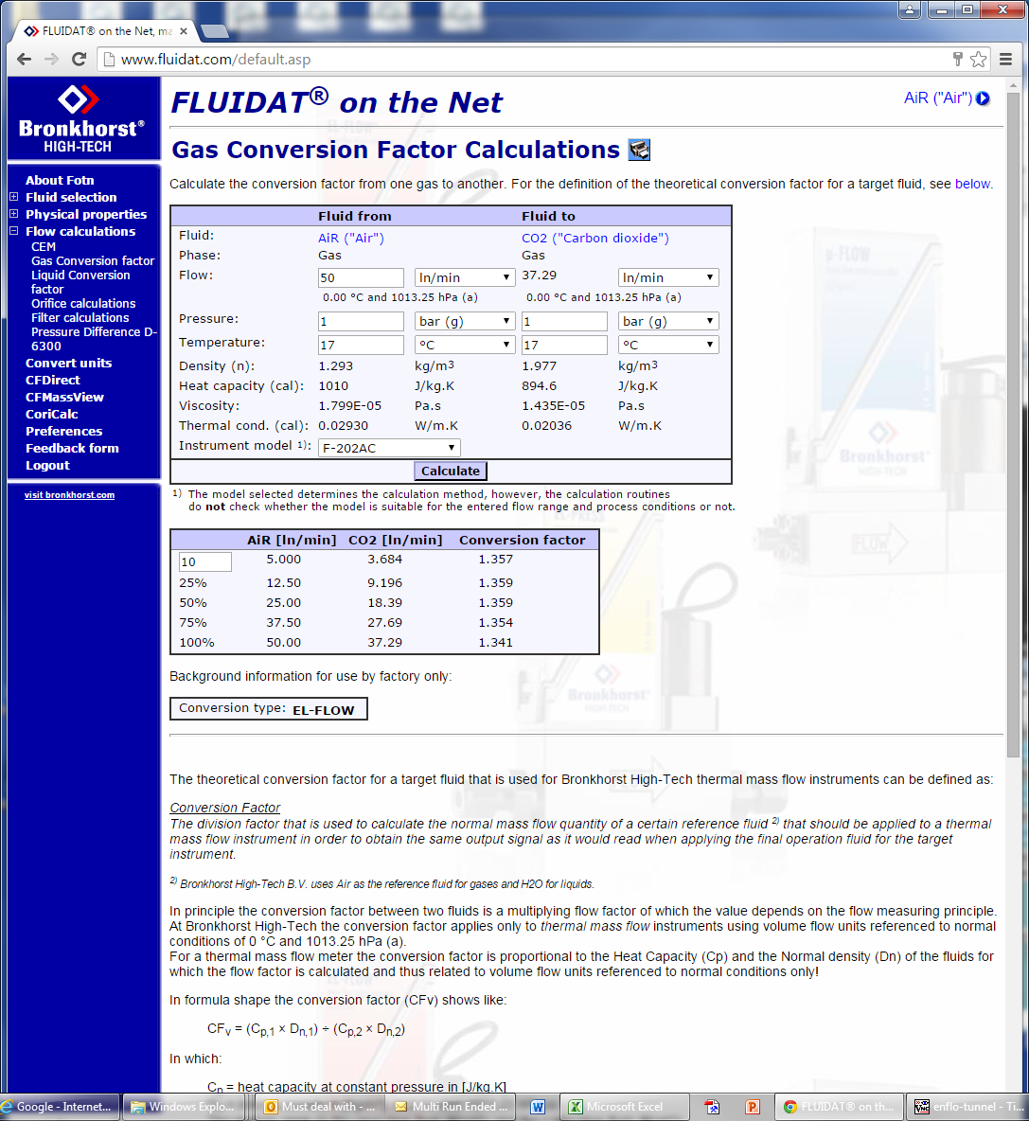
...
Date | Time | Seconds | GMU | GMU | Froude | EnFlo_Tunnel | GMU | Calculated | Gas Factor | Calculated |  | voltage span fraction | Air:CO2 factor
Measurement | Commenced | 1st Jan | Meas Q | Meas Volt | Atmos_Press | Master_Reference | Pressure | using gas meter |  | Flowrate |  |  |  |  | fit
 |  |  |  |  |  |  |  | Air
2-Feb-15 | 9:00:00 | 3505712459 | 49.9853 | 4.6044 | 999.355 | 16.8758 | 353.138 | 49.85442782 | 0.74290365417 | 37.037036604 | 0.74095857391 | 92.088 | 1.3460695669 |  | 37.025128044 | 36.734882878 |  | -0.032153114005 | -0.81581507093
2-Feb-15 | 9:06:00 | 3505712798 | 40.0369 | 3.7225 | 999.355 | 16.9425 | 336.706 | 39.865880371 | 0.73849288726 | 29.440669098 | 0.7353383778 | 74.45 | 1.3541091827 |  | 29.476536456 | 29.703173065 |  | 0.12182928863 | 0.89163722954
2-Feb-15 | 9:11:00 | 3505713119 | 30.0245 | 2.7893 | 999.355 | 16.9949 | 324.562 | 29.972704297 | 0.73611064956 | 22.063226829 | 0.73484077433 | 55.786 | 1.3584914178 |  | 22.034096054 | 22.262429672 |  | -0.13203315608 | 0.9028726614
2-Feb-15 | 9:17:00 | 3505713440 | 20.0243 | 1.8388 | 999.355 | 17.0475 | 315.0693 | 19.989890821 | 0.73554382927 | 14.703440841 | 0.73427989198 | 36.776 | 1.3595382902 |  | 14.689996744 | 14.68374708 |  | -0.091435038768 | -0.13393981015
2-Feb-15 | 9:22:00 | 3505713762 | 9.9911 | 0.8999 | 999.355 | 17.1244 | 307.6837 | 9.9036193301 | 0.73630027814 | 7.2920376673 | 0.7298533362 | 17.998 | 1.3581415486 |  | 7.3258121311 | 7.1975555123 |  | 0.46316907999 | -1.2956893434
2-Feb-15 | 9:28:00 | 3505714090 | 5.0047 | 0.4481 | 999.355 | 17.1989 | 303.747 | 4.9398443029 | 0.73698006438 | 3.6405667724 | 0.72742957068 | 8.962 | 1.3568888065 |  | 3.6422803976 | 3.595189605 |  | 0.047070286749 | -1.2464314003
2-Feb-15 | 9:33:00 | 3505714423 | 2.6657 | 0.24074 | 999.355 | 17.2839 | 300.7517 | 2.6082561078 | 0.73733851744 | 1.9231676917 | 0.72144940978 | 4.8148 | 1.3562291625 |  | 1.9062433599 | 1.941832822 |  | -0.88002371369 | 0.97054096916

 |  |  |  |  |  |  |  |  |  |  |  |  | cubic | linear |  | Hi-Tec calculator output for F-201AC |  |  | cubic | linear
 |  |  |  |  |  |  |  |  |  |  |  |  |  |  |  | x | y
 |  |  |  |  |  |  |  |  |  |  |  | Hi-tec | Carrier 1 |  |  | 10 | 1.357 |  | 1.355415 | 1.3627317073 | A
 |  |  |  |  |  |  |  |  |  |  |  | Calibration | Low |  |  | 25 | 1.359 |  | 1.73E-04 | -0.00016791744841 | Bx
 |  |  |  |  |  |  |  |  |  |  |  | names | CO2 |  |  | 50 | 1.359 |  | -7.92E-07 |  | Cx^2
 |  |  |  |  |  |  |  |  |  |  |  | A | -0.151774 | 0.022325144852 |  | 75 | 1.354 |  | -2.38E-08 |  | Dx^3
 |  |  |  |  |  |  |  |  |  |  |  | Bx | 8.651011 | 7.9733641154 |  | 100 | 1.341
 |  |  |  |  |  |  |  |  |  |  |  | Cx^2 | -0.44146
 |  |  |  |  |  |  |  |  |  |  |  | Dx^3 | 0.068671
 |  |  |  |  |  |  |  |  |  |  |  | Calib Temp Deg C | 17.030666667
 |  |  |  |  |  |  |  |  |  |  |  | Calib Press Mbars | 999.355
 |  |  |  |  |  |  |  |  |  |  |  | Date | 2-Feb-15

Carrier1-5-Air Check Not used
...
2-Feb-15 | 14:49:00 | 3505733395 | 4.9726 | 4.572 | 998.461 | 16.8258 | 306.8154 | 4.965 | 0.9984716245 | bubble flow 0.02 - 6l/min |  |  | 4.9645300016
2-Feb-15 | 14:52:00 | 3505733571 | 4.0019 | 3.7218 | 998.461 | 16.5674 | 305.4964 | 3.986 | 0.99602688723 | bubble flow 0.02 - 6l/min |  |  | 3.9990616135
2-Feb-15 | 16:42:00 | 3505740128 | 2.9995 | 2.783 | 998.263 | 17.373 | 304.8731 | 3.026 | 1.0088348058 | bubble flow 0.02 - 6l/min |  |  | 2.988463642
2-Feb-15 | 16:44:00 | 3505740273 | 2.0006 | 1.8375 | 998.263 | 17.2935 | 302.8782 | 2.006 | 1.0026991902 | bubble flow 0.02 - 6l/min |  |  | 1.993798209
2-Feb-15 | 16:47:00 | 3505740436 | 0.9988 | 0.9013 | 998.263 | 17.2943 | 300.2963 | 0.9958 | 0.99699639567 | bubble flow 0.02 - 6l/min |  |  | 0.99538126953
2-Feb-15 | 16:49:00 | 3505740596 | 0.5 | 0.4497 | 998.263 | 17.3925 | 298.6494 | 0.4974 | 0.9948 | bubble flow 0.02 - 6l/min |  |  | 0.49823501187
2-Feb-15 | 16:52:00 | 3505740779 | 0.24852 | 0.227 | 998.263 | 17.4483 | 297.3428 | 0.2478 | 0.99710284887 | bubble flow 0.02 - 6l/min |  |  | 0.24757974904

 |  |  |  |  |  |  |  |  |  |  | cubic | linear

 |  |  |  |  |  |  |  |  |  | Hi-tec | Carrier 1
 |  |  |  |  |  |  |  |  |  | Calibration | Very Low
 |  |  |  |  |  |  |  |  |  | names | Air
 |  |  |  |  |  |  |  |  |  | A | -0.012325 | 0.013728139178
 |  |  |  |  |  |  |  |  |  | Bx | 1.155509 | 1.0783590614
 |  |  |  |  |  |  |  |  |  | Cx^2 | -0.048158
 |  |  |  |  |  |  |  |  |  | Dx^3 | 0.00733
 |  |  |  |  |  |  |  |  |  | Calib Temp Deg C | 17.170685714
 |  |  |  |  |  |  |  |  |  | Calib Press Mbars | 998.31957143
 |  |  |  |  |  |  |  |  |  | Date | 2-Feb-15

Carrier1-5-Air
...
20-Jan-15 | 11:20:00 | 3504597623 | 5.0015 | 4.5744 | 1004.32 | 17.7411 | 1.7336 | 296.73 | 24.55 | 4.9641087858 | 0.99252399995 |  | 57072.8 | 57097.35 | 4.9673498552
20-Jan-15 | 11:26:00 | 3504597968 | 4.0053 | 3.7168 | 1003.923 | 17.7591 | 1.0803 | 296.72 | 19.8 | 4.0037746023 | 0.9996191552 |  | 57100.6 | 57120.4 | 3.9935542493
20-Jan-15 | 11:32:00 | 3504598320 | 3.0021 | 2.8001 | 1003.923 | 17.7787 | 0.485 | 296.73 | 14.82 | 2.9966636336 | 0.99818914547 |  | 57123.23 | 57138.05 | 3.0065554627
20-Jan-15 | 11:38:00 | 3504598690 | 2.0015 | 1.8549 | 1003.923 | 17.7978 | 0.1004 | 296.74 | 9.95 | 2.0118622363 | 1.0051772352 |  | 57140.7 | 57150.65 | 2.012114195
20-Jan-15 | 13:31:00 | 3504605496 | 0.999 | 0.9112 | 1002.831 | 18.0205 | -0.5529 | 116.7 |  | 1.013 | 1.014014014 | bubble flow 0.02 - 6l/min | 57152.8 | 57157.6 | 1.0061354707
20-Jan-15 | 13:34:00 | 3504605656 | 0.5988 | 0.535 | 1002.831 | 17.9965 | -0.7944 | 116.7 |  | 0.592 | 0.98864395458 | bubble flow 0.02 - 6l/min | 57159.55 | 57163.35 | 0.5932107371
20-Jan-15 | 13:04:00 | 3504603848 | 0.26968 | 0.227 | 1003.327 | 17.9725 | -0.8748 | 116.78 |  | 0.2451 | 0.90885493919 | bubble flow 0.02 - 6l/min |  |  | 0.24757974904

 |  |  |  |  |  |  |  |  |  |  |  |  | cubic | linear

 |  |  |  |  |  |  |  |  |  |  |  | Hi-tec | Carrier 1
 |  |  |  |  |  |  |  |  |  |  |  | Calibration | Very Low
 |  |  |  |  |  |  |  |  |  |  |  | names | Air
 |  |  |  |  |  |  |  |  |  |  |  | A | -0.012325 | 0.0097958101236
 |  |  |  |  |  |  |  |  |  |  |  | Bx | 1.155509 | 1.0778786125
 |  |  |  |  |  |  |  |  |  |  |  | Cx^2 | -0.048158
 |  |  |  |  |  |  |  |  |  |  |  | Dx^3 | 0.00733
 |  |  |  |  |  |  |  |  |  |  |  | Calib Temp Deg C | 17.8666
 |  |  |  |  |  |  |  |  |  |  |  | Calib Press Mbars | 1003.5825714
 |  |  |  |  |  |  |  |  |  |  |  | Date | 20-Jan-15

Carrier2-50-Air
...
2-Feb-15 | 11:12:00 | 3505720324 | 49.9743 | 4.6457 | 999.455 | 17.3241 | 355.449 | 296.72 | 246.84 | 49.913723376 | 0.99878784446 |  | 64196.2 | 64443.04 | 49.903992488
2-Feb-15 | 11:17:00 | 3505720645 | 40.027 | 3.7712 | 999.454 | 17.3539 | 338.117 | 296.7 | 197.55 | 39.949443883 | 0.99806240494 |  | 64459.3 | 64656.85 | 39.979031803
2-Feb-15 | 11:22:00 | 3505720964 | 30.0141 | 2.8331 | 999.455 | 17.3655 | 325.752 | 296.7 | 148.43 | 30.016177958 | 1.0000692327 |  | 64668.62 | 64817.05 | 29.991569339
2-Feb-15 | 11:28:00 | 3505721285 | 19.9993 | 1.8681 | 999.454 | 17.4009 | 316.026 | 296.71 | 98.95 | 20.009436824 | 1.0005068589 |  | 64825.55 | 64924.5 | 19.998388095
2-Feb-15 | 11:33:00 | 3505721607 | 10.0134 | 0.9206 | 999.454 | 17.4646 | 308.4682 | 296.7 | 49.4 | 9.9898887765 | 0.99765202394 |  | 64929.3 | 64978.7 | 10.026506713
2-Feb-15 | 11:38:00 | 3505721938 | 5.018 | 0.464 | 999.455 | 17.5331 | 304.5602 | 296.7 | 25 | 5.055611729 | 1.0074953625 |  | 64981.9 | 65006.9 | 5.0360248911
2-Feb-15 | 11:44:00 | 3505722270 | 2.6883 | 0.25642 | 999.455 | 17.6009 | 301.6031 | 296.7 | 13.4 | 2.7098078868 | 1.008000553 |  | 65008.62 | 65022.02 | 2.7086625645

 |  |  |  |  |  |  |  |  |  |  |  |  | cubic | linear

 |  |  |  |  |  |  |  |  |  |  |  | Hi-tec | Carrier 2
 |  |  |  |  |  |  |  |  |  |  |  | Calibration | Low
 |  |  |  |  |  |  |  |  |  |  |  | names | Air
 |  |  |  |  |  |  |  |  |  |  |  | A | -0.226108 | 0.03598600662
 |  |  |  |  |  |  |  |  |  |  |  | Bx | 11.584155 | 10.664063195
 |  |  |  |  |  |  |  |  |  |  |  | Cx^2 | -0.563706
 |  |  |  |  |  |  |  |  |  |  |  | Dx^3 | 0.084573
 |  |  |  |  |  |  |  |  |  |  |  | Calib Temp Deg C | 17.434714286
 |  |  |  |  |  |  |  |  |  |  |  | Calib Press Mbars | 999.45457143
 |  |  |  |  |  |  |  |  |  |  |  | Date | 2-Feb-15

 |  |  |  |  |  |  |  |  |  |  |  | Using domestic gas meter with a 1m long 22mm cooper pipe upstream to avoid jetting into meter

